WeatherDataSource
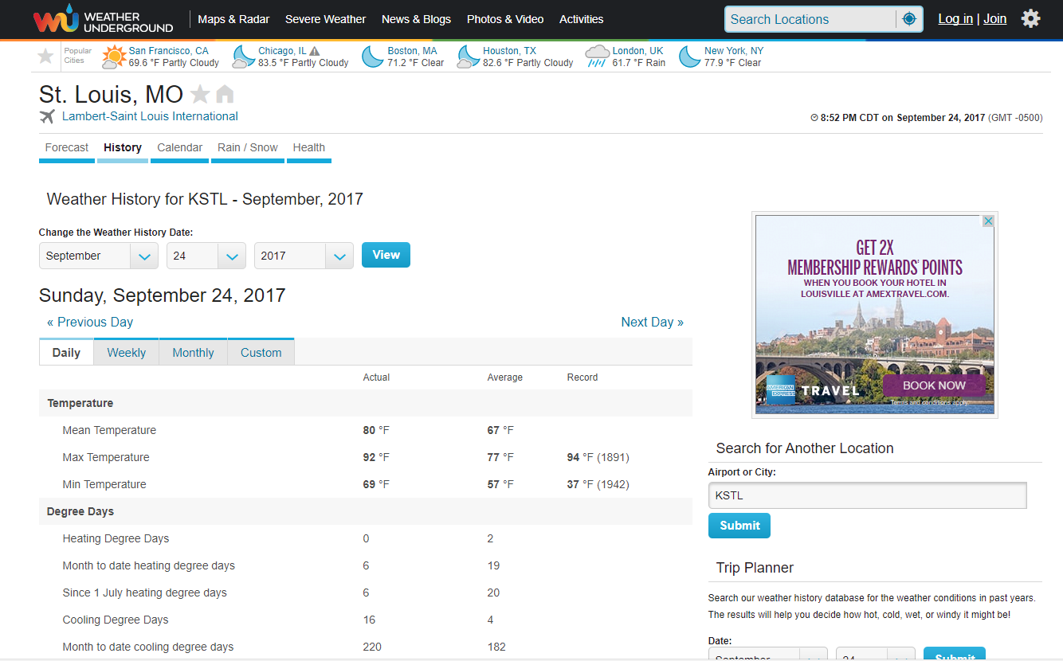
https://www.wunderground.com/history/airport/KSTL/2017/9/24/DailyHistory.html?req_city=&req_state=&req_statename=&reqdb.zip=&reqdb.magic=&reqdb.wmo=&MR=1

